Updated Premium Calc
Gross Net Premium | Commission Type | Max Cap Commission | Total Commissions | Gross Premium | Categories | Members | Premium
6824.7 | HSB | 0.00% | 27.5 | -257.5358491 | Category A | 13 | -2851.78
5509.8 | HSB | 0.00% | 27.5 | -207.9169811 | Category B | 0 | 0.00000 | CRN No | TEST-ABC-1224-1-00022
5509.8 | HSB | 0.00% | 27.5 | -207.9169811 | Category C | 0 | 0.00000
5509.8 | HSB | 0.00% | 27.5 | -207.9169811 | Bashma | 13 | 481
5509.8 | HSB | 0.00% | 27.5 | -207.9169811 | ICP | 0 | 0
6824.7 | HSB | 0.00% | 27.5 | -257.5358491 | VAT | 5% | -118.5
6824.7 | HSB | 0.00% | 27.5 | -257.5358491 | Total |  | -2489.32
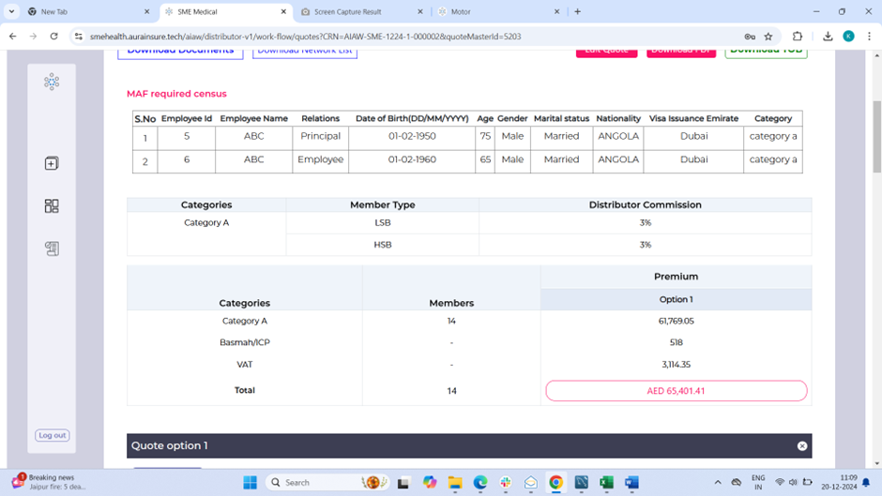
5509.8 | HSB | 0.00% | 27.5 | -207.9169811
5509.8 | HSB | 0.00% | 27.5 | -207.9169811
5509.8 | HSB | 0.00% | 27.5 | -207.9169811
5509.8 | HSB | 0.00% | 27.5 | -207.9169811
5509.8 | HSB | 0.00% | 27.5 | -207.9169811
5509.8 | HSB | 0.00% | 27.5 | -207.9169811
#VALUE! | 0 | 0.00% | #VALUE! | #VALUE!
#VALUE! | 0 | 0.00% | #VALUE! | #VALUE!
#VALUE! | 0 | 0.00% | #VALUE! | #VALUE!
#VALUE! | 0 | 0.00% | #VALUE! | #VALUE!
#VALUE! | 0 | 0.00% | #VALUE! | #VALUE!
#VALUE! | 0 | 0.00% | #VALUE! | #VALUE!
#VALUE! | 0 | 0.00% | #VALUE! | #VALUE!
#VALUE! | 0 | 0.00% | #VALUE! | #VALUE!
#VALUE! | 0 | 0.00% | #VALUE! | #VALUE!
#VALUE! | 0 | 0.00% | #VALUE! | #VALUE!
#VALUE! | 0 | 0.00% | #VALUE! | #VALUE!
#VALUE! | 0 | 0.00% | #VALUE! | #VALUE!
#VALUE! | 0 | 0.00% | #VALUE! | #VALUE!
#VALUE! | 0 | 0.00% | #VALUE! | #VALUE!
#VALUE! | 0 | 0.00% | #VALUE! | #VALUE!
#VALUE! | 0 | 0.00% | #VALUE! | #VALUE!
#VALUE! | 0 | 0.00% | #VALUE! | #VALUE!
#VALUE! | 0 | 0.00% | #VALUE! | #VALUE!
#VALUE! | 0 | 0.00% | #VALUE! | #VALUE!
#VALUE! | 0 | 0.00% | #VALUE! | #VALUE!
#VALUE! | 0 | 0.00% | #VALUE! | #VALUE!
#VALUE! | 0 | 0.00% | #VALUE! | #VALUE!
#VALUE! | 0 | 0.00% | #VALUE! | #VALUE!
#VALUE! | 0 | 0.00% | #VALUE! | #VALUE!
#VALUE! | 0 | 0.00% | #VALUE! | #VALUE!
#VALUE! | 0 | 0.00% | #VALUE! | #VALUE!
#VALUE! | 0 | 0.00% | #VALUE! | #VALUE!
#VALUE! | 0 | 0.00% | #VALUE! | #VALUE!
...

